Module 28
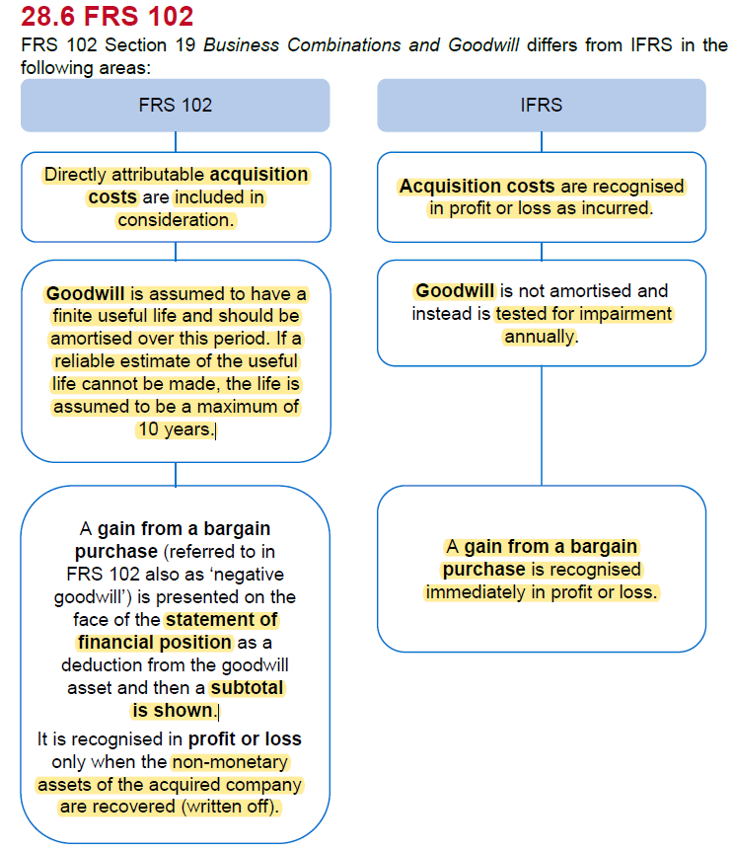
Main
 | Module 28 - Consolidated Financial Statements: Fair Values and Goodwill
 | IFRS 3 - how to determine the fair value of the consideration and the asset acquired are worth

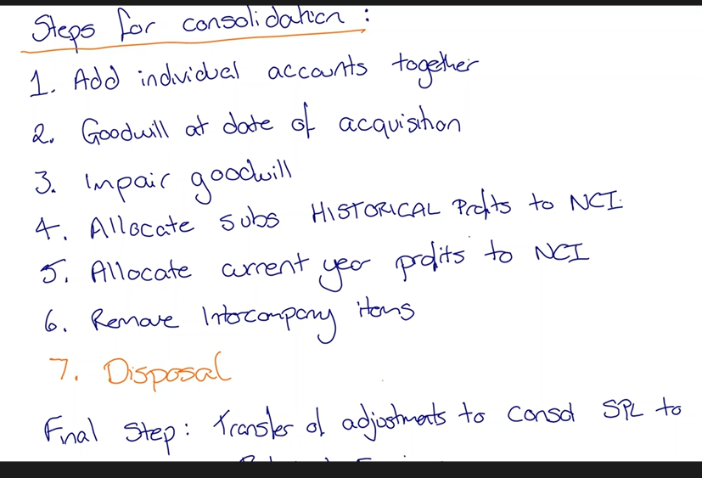

 | Goodwill is always a leftover amount
 | difference between the net assets of a sub and the consideration to acquire them
 | can increase the value of some previously unrecognised items to lower the gw amount

 | investment in sub |  |  |  |  | x
 | net assets |  |  |  |  | y
 | goodwill |  |  |  |  | x-y

 | what considerations are in number x
 | and what are the assets we are acquiring in step y

 | gw - the asset that represents future economic benefit.

 | allocathe cost to as many identifiable assets as possible
 | then the rest goes to gw

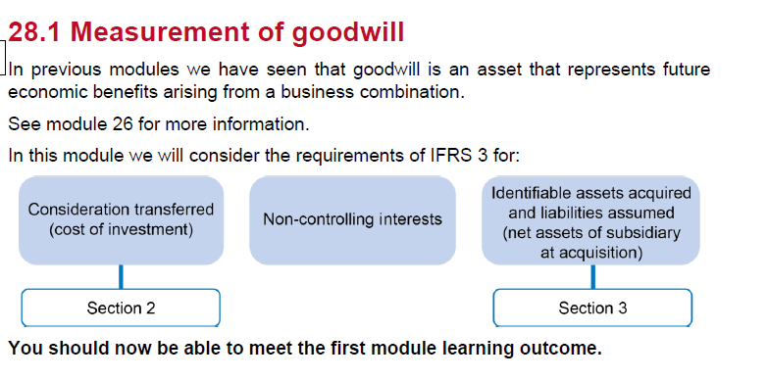

 | sometimes have a deferred cash consideration
 | this should discounted to present value

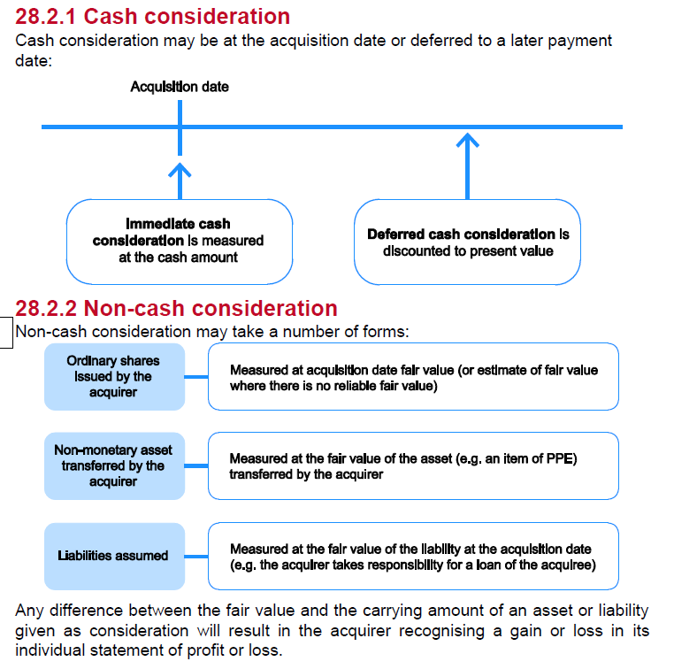

 | buy in exchange for shares
 | sell PPE in exchange for shares
 | buy some of the debt

 | any gain/loss on the asset used for consideration will results in the acquirer recognising a gain or loss in its individual statement of profit or loss

 | IS this cash, issueing shares or issueing bonds
 | this all matters to how we treat the contingency

 | contingent cash
 | measure at FV at acq date and recognise as a liability
 | remeasuer to FV at each reporting date - any change is recongnised in SPL

 | Contingent shares
 | recognise at FV at acquisition date and present in accordance with IAS 32 Financial Instrumentss: Presentation
 | Do not subsequently remeasure

 | Contingent debt instruments
 | recognise at FV a acq. Date and present in accordance with IAS 32
 | Remeasure to FV at each reporting date and recognise changes in FVTPL in accordance with IFRS 9 Financial Instuments

 | so cash and debt gets revalued
 | equity is not revalued

 | In the exam - will be given the FV of contingent cash considerations
 | consider the financing elemtn of the considerations and adjust accordingly
 | Module 12

 | Ince=idental cost of a share issue are charged to share premium

 | incidental debt issue costs are deducted from the liability (amortised cost) or recognised as an expense (FVTPL) - see module 12

 | Activity 1

 | consideration
 | Cash | 2023-01-01 | 1120
 | Deferred cash | 2025-01-01 | 500
 | DR |  | 6%
 | SC |  | 50 | =200*0.25
 | SP |  | 390 | =+(2.2-0.25)*200
 | issue costs |  | 5

 | Bonds |  | 150
 | coupon |  | 6%
 | issue costs |  | 15
 | classifieed as amortised cost

 | Property | NBV | 400
 |  | FV | 450

 | pro fees |  | 25
 | admin cost |  | 50 | <<<director expenses cannot be expensed to the cost of acuisition

 | CAsh paid |  | 1120
 | Deferred payment at PV |  | 445
 | Ordinary shares at FV |  | 440
 | Bonds at FV |  | 150
 | Property at FV |  | 450
 | Total consideration |  | 2,605

 | dr - investment in B |  |  | 2,605
 |  | cr - bank |  |  | 1,120
 |  | cr - liability for deferred payment |  |  | 445
 |  | cr - SC |  |  | 50
 |  | cr - SP |  |  | 390
 |  | cr - Bonds |  |  | 150
 |  | cr - property |  |  | 400
 |  | cr - gain on disposal of property |  |  | 50
 | being consideration paid for acquisition of Be

 | dr - SP |  |  | 5
 | dr - bonds |  |  | 15
 | dr - SPL admin |  |  | 25
 |  | cr - bank |  |  | 45
 | being costs related to acquisition of Be

 | Requirement 2
 | Finance cost |  | 27

 | dr - SPL finance costs |  |  | 27
 |  | cr - Liability for deferred payament |  |  | 27
 | being unwinding of discount on liability for deferred payment

 |  | Open debt liab | payment | effecive interes | close
 |  | 445 | 0 | 26.6998932 | 472
 |  | 472 | 0 | 28.301886792 | 500

 | Identifiable assets acquired and liabilities assumed

 | IFRS 3
 | looks at
 | whether and asset should be recognised
 | and how they should be measured

 | Must meet the defintion of an asset or liabitiy

 | Asset is identifiable if:
 | it is seperable: seperated from the entity and sold, transferred, licendes, rented or exchanged
 | or
 | Arises from contractual or other legal rights: regardless of whether those rights are transferable or seperable from the entity or from other rights and obligations

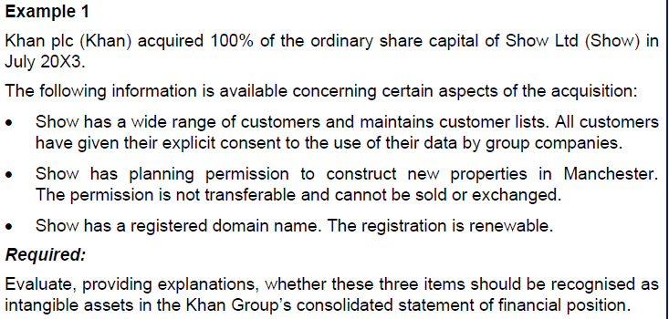

 | Customer details
 | Customer lists may be sold, leased or exchanged if the customers have provided consent for their information to be shared. In this case, a customer list meets the separable criterion.

 | Planning permission
 | Although the planning permission is not separable, it is a legal right. Therefore, an intangible asset should be recognised.

 | Domain name
 | The domain name is registered and, as such, Show has a contractual right to use the name. It should be recognised as an intangible asset.

 | Recogntion of intangible assets
 | probable future economic benefit
 | and
 | the asset can be measured reliably

 | recognise the IA at the point of acquisition only
 | cannot do it later on

 | internally generated IA cannot be capitalised, but once acquired, it can

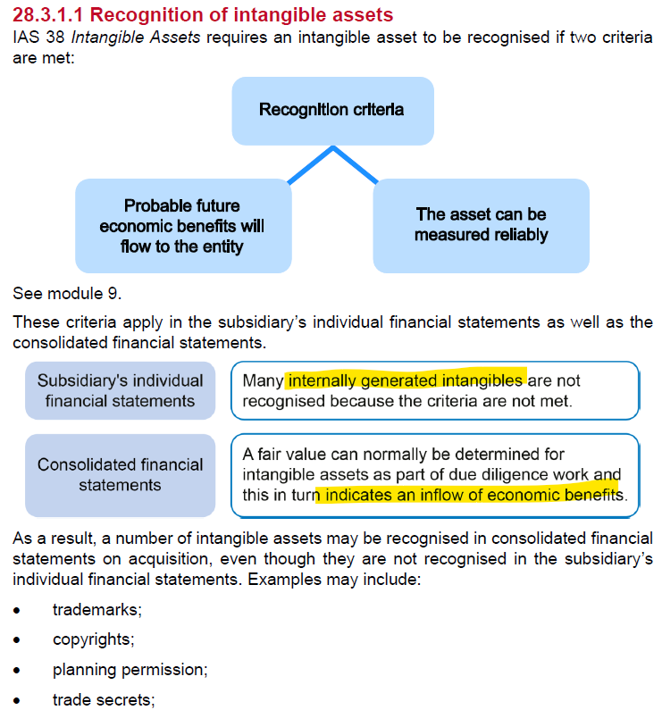

 | •brands
 | •franchise agreements

 | a possible obligation would be recognised under IAS 37 it would not be recognised under IFRS 3
 | a present obligation with probable outflow or estimated outflow, then is can be measured as a a liability in acquiree's statements

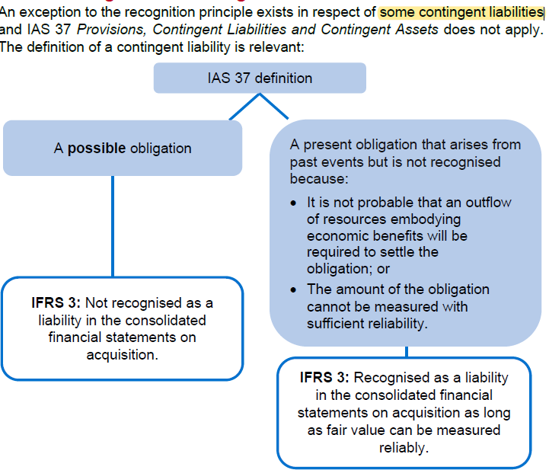

 | in most cases, would not inform acquiree staff they are being made redundant so would not recognise a restructuring liability

 | will always be told the acquisition date assets and liabilities fair values

 | IAS 19 EE benefits overrides IFRS 3

 | Fair value adjustments

 | impact of depreciation changes
 | and changes to COS for inventories subsequently sold

 | Activity 2

 | PPE | 1,100 | 50
 |  | 1,100

 | Inventory | 150
 | AR | 70
 | Cash | 10
 | A | 230
 |  | 1,330

 | SC | 100
 | SP | 50
 | RS | 60 |  | 50
 | RE | 550 | 470
 | E | 760 |  |  | 340

 | Bonds | 400
 | NCL | 400
 | CL
 | AP | 170
 | CL | 170
 | L | 570 |  | 470
 | E+L | 1,330

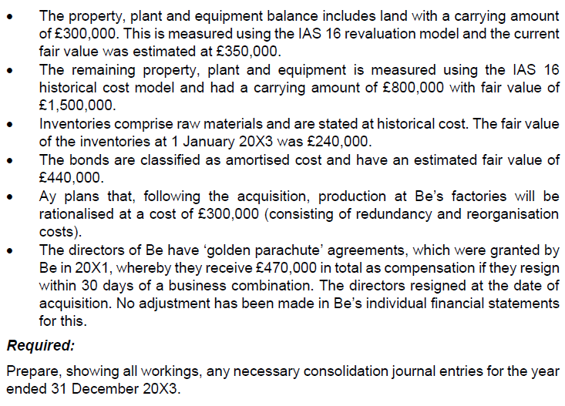
 |  |  |  |  |  |  | adjust FV in sub accounts - see below

 |  |  |  |  |  |  | Only in group accounts

 |  |  |  |  |  |  | only in the group accounts. Don't adjust in the sub accounts

 |  |  |  |  |  |  | AC so not FV in the sub. In the group only, these will be held at 440k
 |  |  |  |  |  |  | Just a plan at this stage. Not an obligation at the point of acquisition. Not enough has been done to inform people this is happening

 |  |  |  |  |  |  | obligation does exist. Recognise a liab - see below

 | consider the net assets acquired

 | Land | NBV | 300
 | revaluation model IAS16
 |  | FV | 350
 | increase on reval |  | 50

 | dr - land |  |  | 50
 |  | cr - reval surplus |  |  | 50
 | being revaluation increae on land

 | Golden parachutes
 | dr - SPL staff costs |  |  | 470
 |  | cr - liability for golden parachute agreements |  |  | 470
 | being recognition of golden parachute agreements

 | reval surpl
 | dr | cr
 |  | 60
 |  | 50
 |  | 110

 | RE
 | dr | cr
 | 470 | 550
 |  | 80

 | Net assets | 760
 |  | -470
 |  | 50
 | net assets | 340

 | NBV net assets | 340 | =+C423
 | FV increase in PPR | 700 | =1500-800
 | FV increae in inventories | 90 | =240-C351 | 150
 | FV increase in bonds | -40 | =-(440-C364) | <<<increase the liability
 |  | 1,090

 | Investment in Be |  |  | 2,605
 | NCI share of net assets |  | 10% | 109
 | FV of net assets |  |  | -1,090
 | goodwill |  |  | 1,624

 | dr - gw |  |  | 1,624 |  | =+E436
 | dr - SC |  |  | 100 |  | =+C358
 | dr - SP |  |  | 50 |  | =+C359
 | dr - RS |  |  | 110 |  | =+C413
 | dr - RE |  |  | 80 |  | =+C418
 | dr - PPE |  |  | 700 |  | =+C427
 | dr - inventory |  |  | 90 |  | =+C428
 |  | cr - Bonds |  |  | 40 | =-C429
 |  | cr - investment in Be |  |  | 2,605 | =+E433
 |  | cr - NCI share |  |  | 109 | =+E434
 | being fair value adjustments, elimination of investment and recognition of gw and NCI

 | Example 2
 | The fair value adjustment increased PPE of the sub by 700k for consol purposes
 | For consol only, the depr charge is based on this higher amounts

 | increase | 700
 | depr | 50 | =+C456/14

 | dr - SPL depr |  |  | 50
 |  | cr - PPE |  |  | 50
 | being increased depreciation charge as a result of FV in PPE

 | Inventoires
 | FV increase of sub by 90k for consol purposes
 | for consol accounts only, COS increases due to sale of inventories based on higher amount

 | dr - SPL |  |  | 90
 |  | cr - Inventories |  |  | 90
 | being increased cost of sales as a result of FV increase in opening inventories

 | Bonds
 | FV increase liab of sub by 40k for consol purposes

 | increased finance cost |  | 57.2 | =0.13*440
 |  |  | 56 | =0.14*400
 | increased finance cost |  | 1.2

 | dr - SPL finance cost |  |  | 1.2
 |  | cr - Bonds |  |  | 1.2
 | being increased financne cost as a result of FV increase in bonds

 | combined asjustments |  | 141
 | NCI | 10% | 14 | =+C484*D483

 | dr - SFP NCI |  |  | 14
 |  | cr - SPL NCI |  |  | 14
 | being NCI share of reduction in profit as a result of FV adjustments

 | Within 12m, net asset and liabilities can be adjusted retrospectively to adjust for items no identified during DD
 | 12 month cooling off period

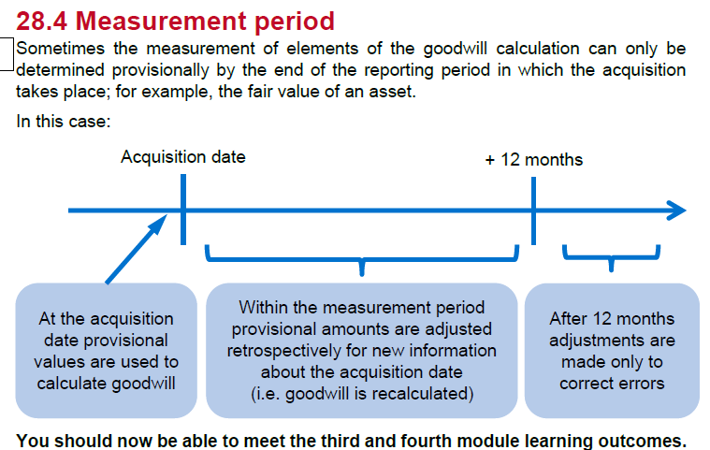

 | Step 3: adjust for gw impairment
 | test gw impairment annually

 | if a gain from bargain purchase
 | assess whether correctly calculated from consideration POV
 | recognise immediately in PL.

 | FRS102

 | Goodwill has a finite useful life
 | is reliable estimate cannot be made it is assumed to be max of 10 years

 | In IFRS - no useful life, but does have to be tested annually for impairment
 | under FRS102 - bargain purchase goes in as negative goodwill

WSE28.1
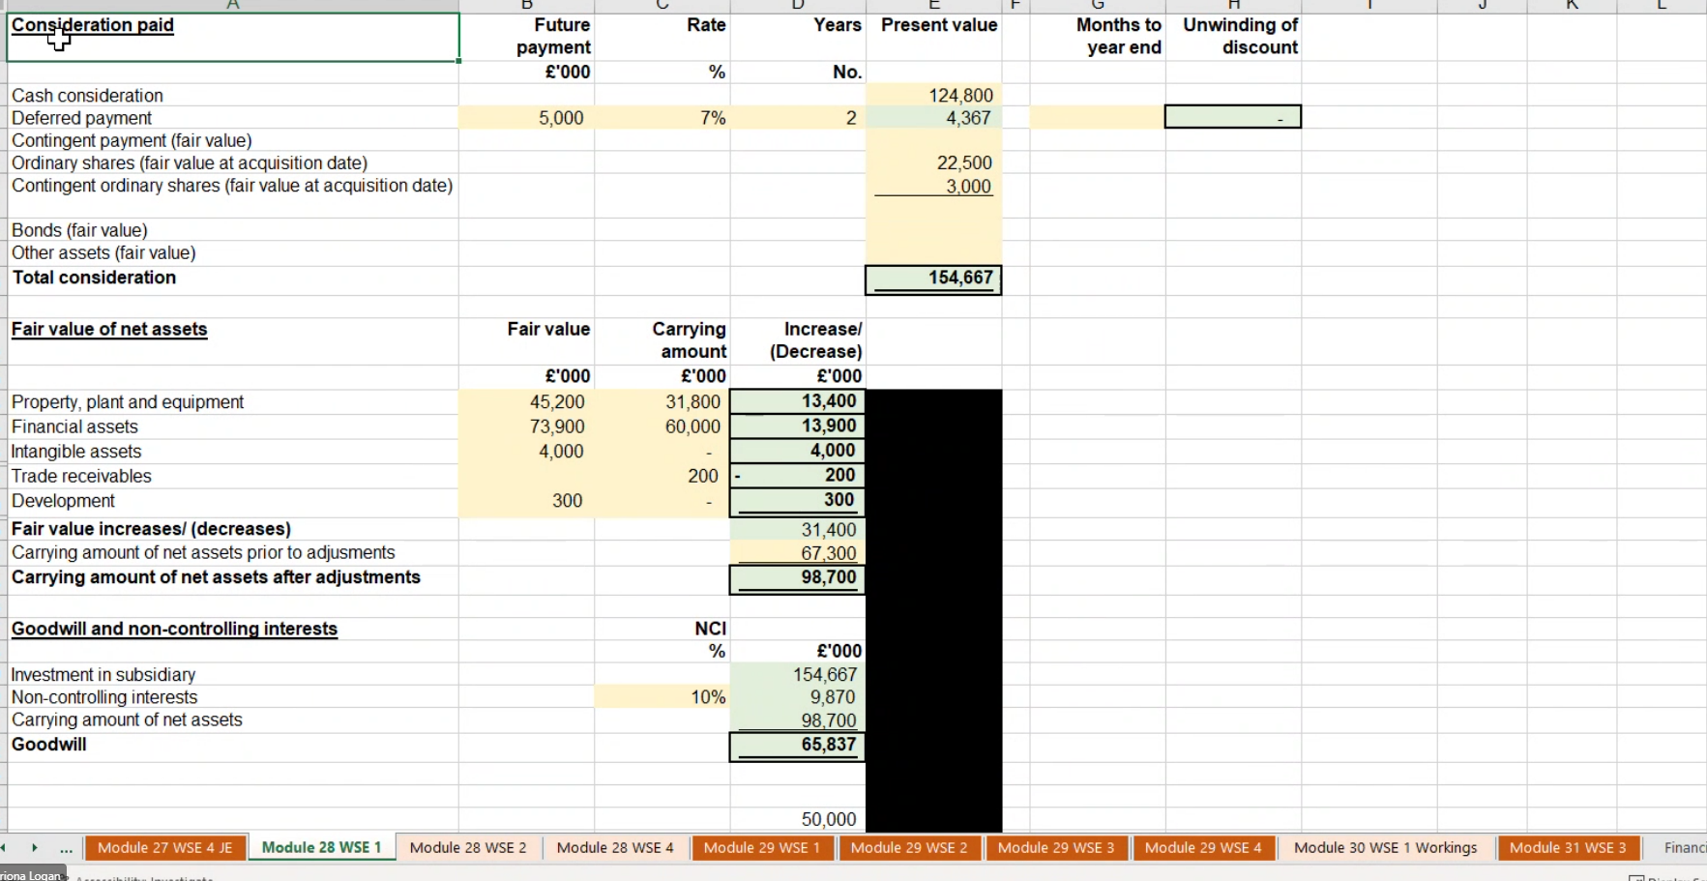
Main
 | Quarter Gill plc | <<<lots of marks are given for the explanations, so it is worth practicing these
 | YE | 2015-12-31

 | consideration
 | Cash | 2023-01-01 | 124,800,000
 | Deferred cash | 2025-01-01 | 5,000,000
 | DR |  | 7%
 | SC |  | 3,750,000 | =15000000*0.25
 | SP |  | 18,750,000 | =+(1.5-0.25)*15000000
 | issue costs |  | 500,000

 | Contingent shares
 | SC
 | SC |  | 500,000 | =2000000*0.25
 | SP |  | 2,500,000 | =+(1.5-0.25)*2000000
 | ^^^value the shares at the FV at the date of acquisition

 | pro fees |  | 850
 | Merchant bank fees |  | 7,000 | <<<director expenses cannot be expensed to the cost of acuisition

 | Cash paid |  | 124,800,000
 | Ordinary shares at FV |  | 22,500,000
 | Contingent shares |  | 3,000,000
 | Deferred payment at PV |  | 4,367,194
 | Total consideration |  | 154,667,194

 | dr - investment in B |  |  | 154,667,194
 |  | cr - bank |  |  | 124,800,000
 |  | cr - contingent share liability |  |  | 3,000,000
 |  | cr - liability for deferred payment |  |  | 4,367,194
 |  | cr - SC |  |  | 3,750,000
 |  | cr - SP |  |  | 18,750,000
 | being consideration paid for acquisition of Be

 | dr - SP |  |  | 500,000
 | dr - SPL admin |  |  | 7,850 |  | =+D20+D19
 |  | cr - bank |  |  | 507,850
 | being costs related to acquisition of Be

 | R2
 | consider the net assets acquired

 | PPE
 | PPE must be stated at MV of 45,200, resulting in an increase in net assets of £13,400k
 | Increase in PPE

 | Land | NBV | 31800
 | revaluation model IAS16
 |  | FV | 45200
 | increase on reval |  | 13400

 | dr - land |  |  | 13400
 |  | cr - reval surplus |  |  | 13400
 | being revaluation increae on land

 | Inventories
 | Inventories must be stater at their fair value, which is selling price less costs to complete and cost to sell, resulting in an increase in net assets of £13,900
 | Increase in inventories

 | FV increae in whisky | 11,000 | =75000-9000-55000 | 0
 | FV increase in casks | 2,900 | =7900-5000
 |  | 13,900

 | Intangible asset
 | The brand meets the definition of an asset as owning the company that created the brand gives control and it is assumed to generate economic benefit through the sale of whisky.
 | The brand is identifiable as it is seperable - it was subject of recent purchase negotiations
 | The brand is non-monetary and without physical substance and so is an intangible asset of £4k recognised on consolidation, resulting in an increase in net assets of £4000k

 | Restructuring
 | The proposed restructuring, consisting of the cancellation of director service contracts and redundancy costs, following the acquisition is not a liability that existed at the date of acq. and so no adj. is necessary
 | The downturn in the market is also following the acq. Meaning the reductoin in FV of the distillery did not exist at the date of acq. and so no adj. is necessary

 | Trade Receivables
 | Trade receivables must be stated at their fair value and so an adjustment must be made, resulting in a decrease in net assets of £200k

 | Development expenditure
 | The development expenditure meets the definition of an asset as owning the company that creates the distillation process gives control and it is assumed to generate economic benefit through the reduced costs of distillation.
 | The development expenditure is identifiable as it is protected by a legal right – it was successfully patented.
 | The development expenditure is non-monetary and without physical substance and so is an intangible asset of £300k recognised on consolidation, resulting in an increase in net assets.

 | reval surpl
 | dr | cr
 |  | 0
 |  | 13400
 |  | 13,400

 | Net assets | 67300 | =50000+17300
 |  | 13,400
 | net assets | 80,700

 | NBV net assets | 67,300 | =+C95
 | FV increase in PPE | 13,400 | =+C96
 | FV increase inventories | 13,900
 | Identified brand | 4,000
 | FV IA recognitoin | 300
 | FV decrease in AR | -200
 |  | 98,700

 | Investment in Be |  |  | 154,667
 | NCI share of net assets |  | 10% | 9870
 | FV of net assets |  |  | -98,700
 | goodwill |  |  | 65,837

 | dr - FV increase in PPE |  |  | 13,400 |  | =+C101
 | dr - FV increase inventories |  |  | 13,900 |  | =+C102
 | dr - Identified brand |  |  | 4,000 |  | =+C103
 | dr - development cost |  |  | 300 |  | =+C104
 | dr - SC |  |  | 50,000
 | dr - RE |  |  | 17300
 | dr - gw |  |  | 65,837 |  | =+E112
 |  | dr - AR |  |  | 200 | =-C105
 |  | cr - investment in Be |  |  | 154,667 | =+E109
 |  | cr - NCI share |  |  | 9,870 | =+E110
 | being fair value adjustments, elimination of investment and recognition of gw and NCI

WSE28.2
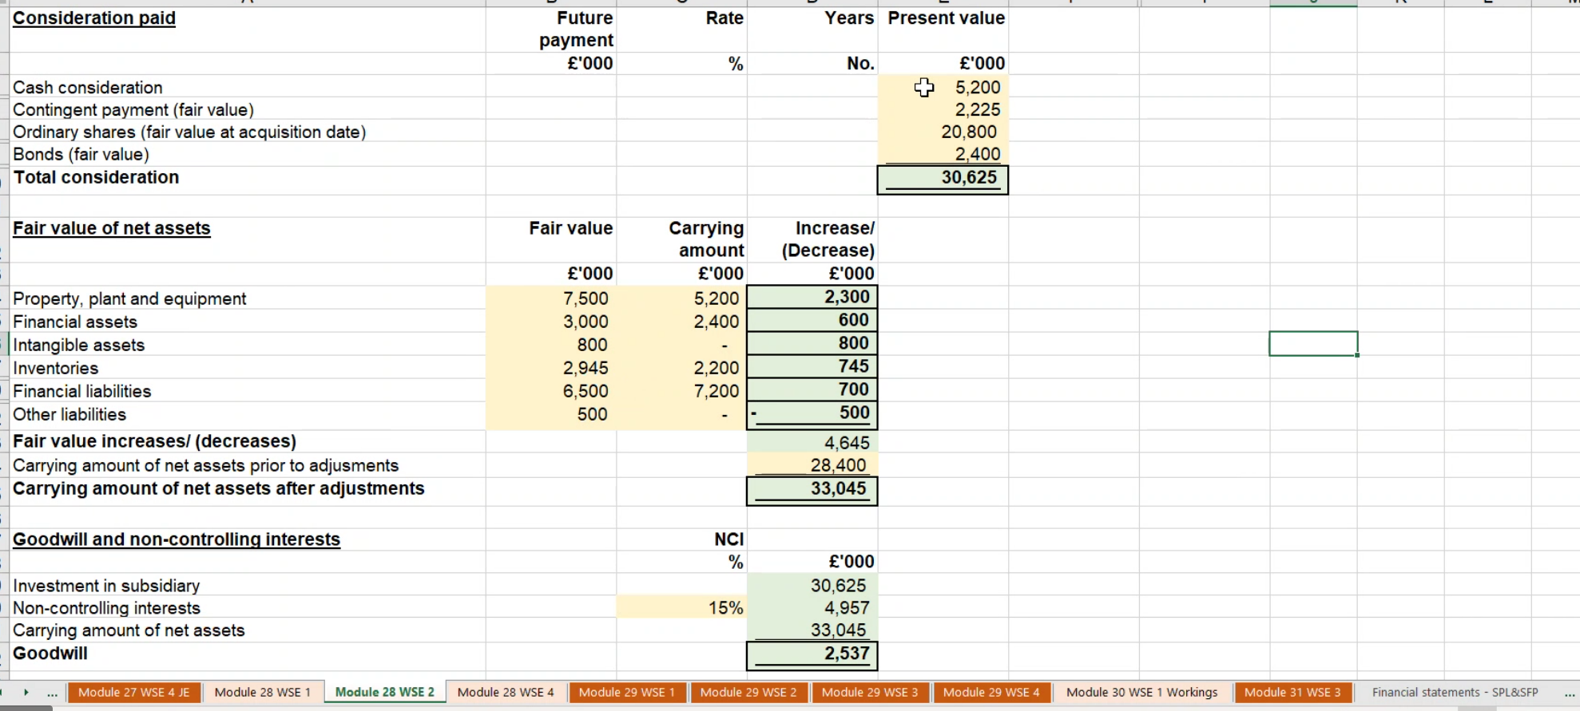
Main
 | Dunn Group

 |  | Dunn | Brad
 | SC |  | 20000
 | RE |  | 8400

 | Total consideration paid for |  | 17000 | shares
 | Cash |  | 5200 | cash
 | SC |  | 2000 | =0.5*4000
 | SP |  | 18800 | =(5.2-0.5)*4000
 | bonds |  | 2400
 | isssue cost for shares |  | 300
 | isssue cost for bonds |  | 100
 | legal fees and merchant bank fees |  | 480 | <<<this get debited to admin expense. Legal costs, banking fees and director expense cannot be priced into the consideration
 | Directors |  | 350 | <<<this get debited to admin expense. Legal costs, banking fees and director expense cannot be priced into the consideration
 | contingent payment |  | 2225 | discount this to present value and recognise a finance income

 | Present value of consideration paid
 | Cash consideration |  | 5,200
 | Contingent payment FV |  | 2,225
 | Ordinary share (FV at acq date) |  | 20,800
 | Bonds (fair value) |  | 2,400
 |  |  | 30,625

 | Fair value of net assets
 |  | FV | NBV | increase/(decrease)
 | Property | 7,500 | 5,200 | 2,300
 | Financial assets | 3,000 | 2,400 | 600
 | Intangible assets | 800 | 0 | 800
 | Inventories | 2,945 | 2,200 | 745
 | Financial liabilities | -6,500 | -7,200 | 700
 | Other liabilities | -500 |  | -500
 |  |  |  | 4,645
 | NBV of net assets prior to adjustments |  |  | 28,400 | =20000+8400
 | NBV of net assets after adjustments |  |  | 33,045 | =E35+E36

 | GW and NCI
 | Investment in subsidiary |  |  | 30,625
 | NCI |  | 15% | 4,957
 | net assets |  |  | -33,045
 | goodwill |  |  | 2,537

 |  |  |  | 36,082 | 36,082
 | dr - share capital |  |  | 20,000
 | dr - RE |  |  | 8,400
 | dr - gw |  |  | 2,537
 | dr - PPE |  |  | 2,300
 | dr - Inventories |  |  | 745
 | dr - develpoment cost |  |  | 800
 | dr - investments |  |  | 600
 | dr - bonds |  |  | 700
 |  | cr - liablity for gurantee |  |  | 500
 |  | cr -investment in sub |  |  | 30,625
 |  | cr - SFP NCI |  |  | 4,957
 | being fair value adjustments, elimination of investment and recognition of goodwill and NCI

